Readme


National Biodiversity Assessment 2018: Estuaries Realm
Summary of South African estuaries condition

Please acknowledge the contributors in the use of this information. Recommended citation:
Van Niekerk, L., Taljaard, S., Adams, J.B., Clark, B., Lamberth, S.J., MacKay, C.F. Weerts, S.P., & Whitfield, A.K 2019, ‘Chapter 7: Condition of South Africa’s estuarine ecosystems' in South African National Biodiversity Assessment 2018: Technical Report. Volume 3: Estuarine Realm. South African National Biodiversity Institute, Pretoria. Report Number: SANBI/NAT/NBA2018/2019/Vol3/A
Aims:
Report on the condition South Africas estuaries using the DWS Estuary Health Index

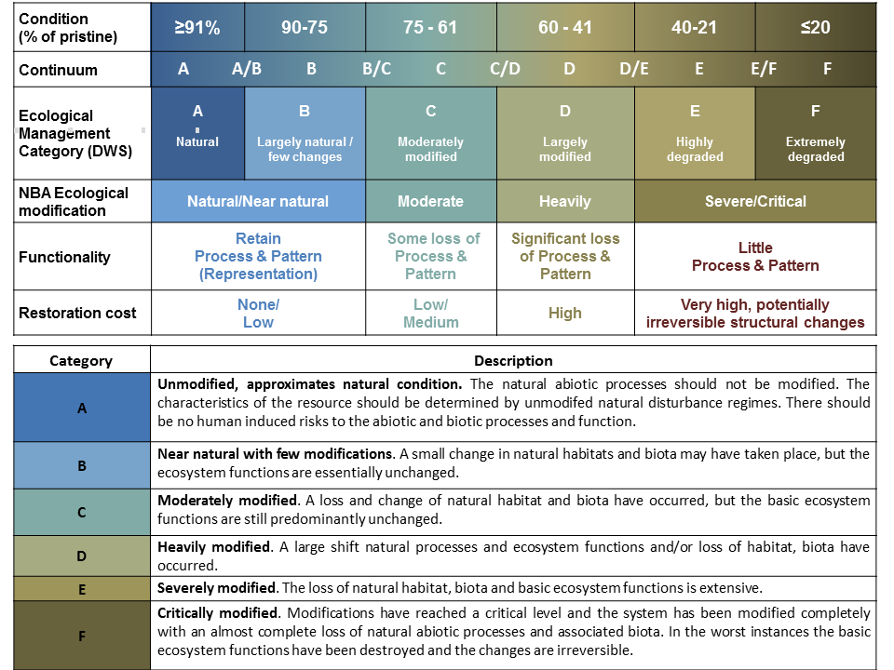
Principal Author:
Lara van Niekerk | CSIR

Keywords:
Estuaries, South Africa, Estuary Health Index, Estuary Condition

Publisher:
CSIR

Date:
2019

Version:
1.0

